Sheet1
 | IC 0.5 | IC 1 | OC 0.5 | OC 1
 | 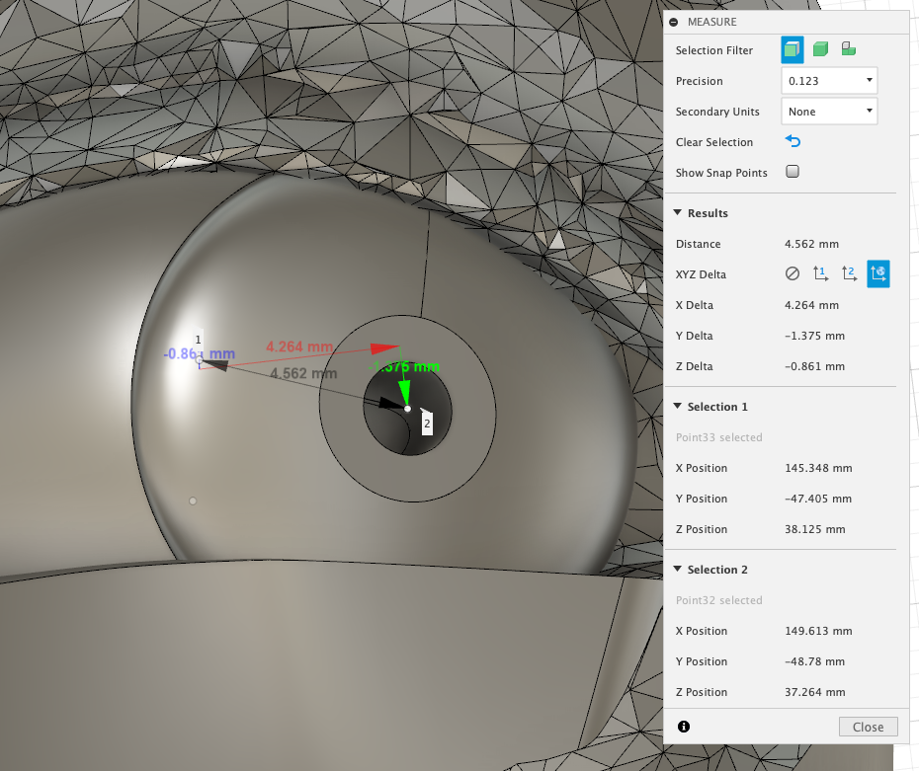 | 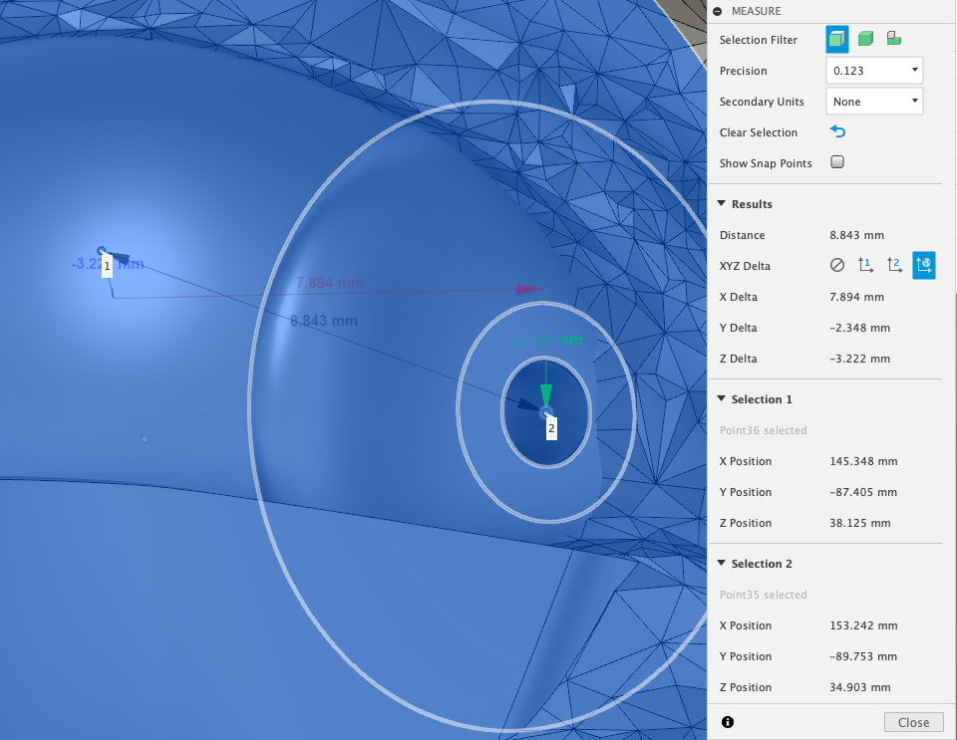 | 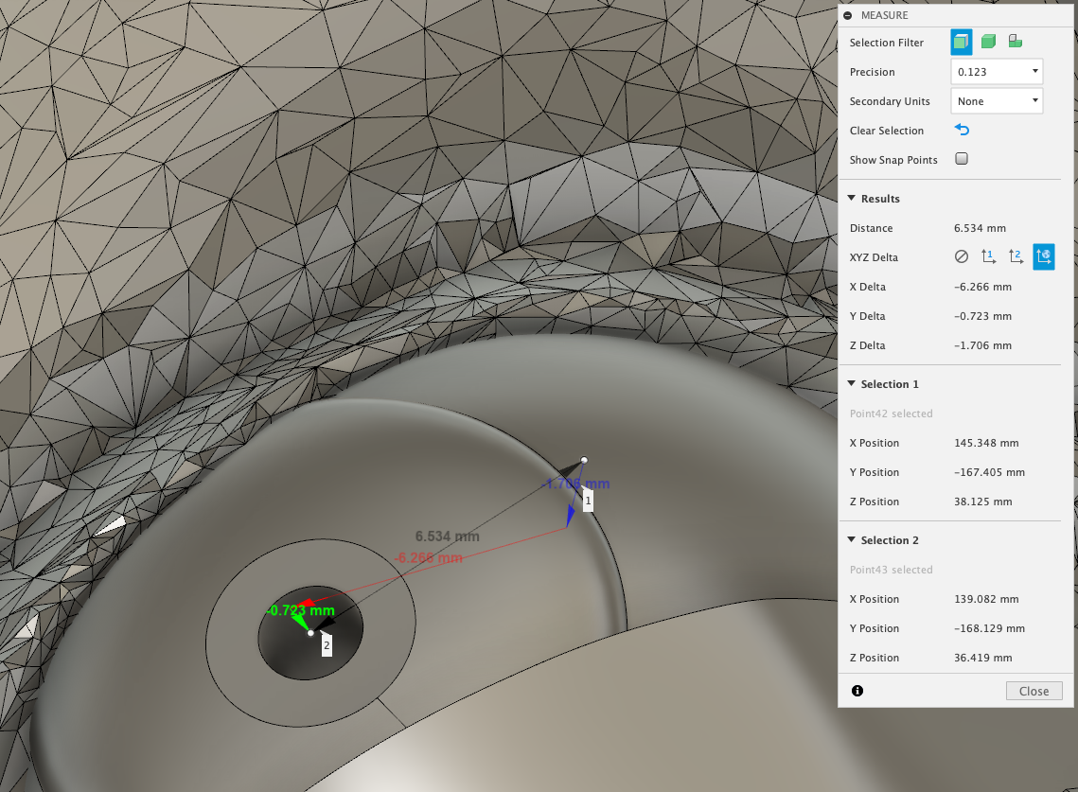 | 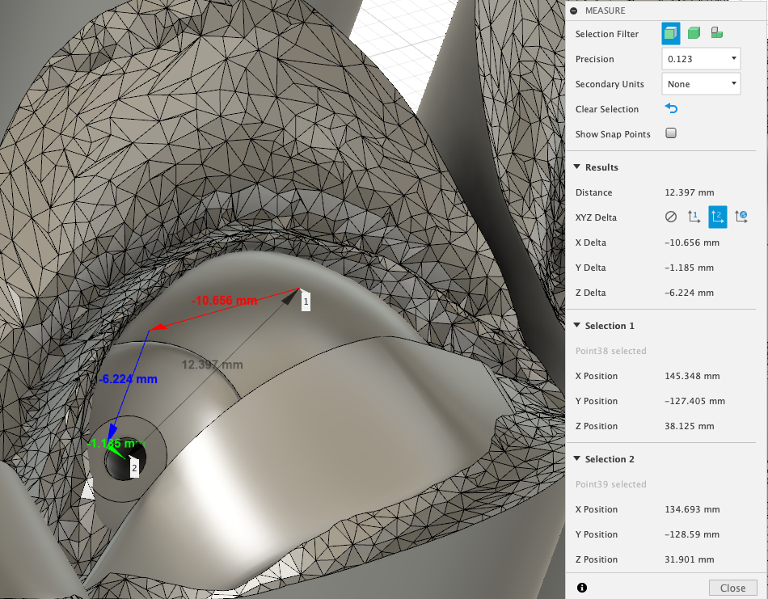
Arc Lengths (mm)
Origin Offset | 4.58878 | 9.04722 | 6.61405 | 12.99825
Y Offset | 1.375723 | 2.35161 | 0.723105 | 1.185463
X Offset | 4.285825 | 8.03739 | 6.3364 | 11.02427

Chord Lengths (mm)
Origin Delta | 4.562 | 8.843 | 6.534 | 12.397
X Delta | 4.264 | 7.894 | 6.266 | 10.656
Y Delta | 1.375 | 2.348 | 0.723 | 1.185
Z Delta | 0.861 | 3.222 | 1.706 | 6.224

